Dashboard
Total Revenue
Quantity Sold
ECOMMERCE SALES DASHBOARD
Top Product
₹ 2,174,394.70
4964
PROD37

 | Total
PROD0 | 39
PROD1 | 41
PROD10 | 51
PROD11 | 53
PROD12 | 41
PROD13 | 55
PROD14 | 45
PROD15 | 72
PROD16 | 62
PROD17 | 70
PROD18 | 37
PROD19 | 63
PROD2 | 41
PROD20 | 53
PROD21 | 42
PROD22 | 43
PROD23 | 34
PROD24 | 48
PROD25 | 58
PROD26 | 49
PROD27 | 56
PROD28 | 43
PROD29 | 29
PROD3 | 47
PROD30 | 34
PROD31 | 63
PROD32 | 24
PROD33 | 51
PROD34 | 84
PROD35 | 45
PROD36 | 37
PROD37 | 87
PROD38 | 64
PROD39 | 84
PROD4 | 35
PROD40 | 58
PROD41 | 43
PROD42 | 54
PROD43 | 52
PROD44 | 28
PROD45 | 37
PROD46 | 59
PROD47 | 29
PROD48 | 48
PROD49 | 44
PROD5 | 43
PROD50 | 42
PROD51 | 38
PROD52 | 36
PROD53 | 36
...

 | Total
STORE0 | ₹85,138.56
STORE1 | ₹101,060.61
STORE10 | ₹109,791.72
STORE11 | ₹93,048.14
STORE12 | ₹116,829.22
STORE13 | ₹114,401.47
STORE14 | ₹106,248.28
STORE15 | ₹99,679.09
STORE16 | ₹111,704.94
STORE17 | ₹122,176.55
STORE18 | ₹104,313.05
STORE19 | ₹94,225.72
STORE2 | ₹98,960.81
STORE3 | ₹125,011.83
STORE4 | ₹118,814.12
STORE5 | ₹81,343.59
STORE6 | ₹114,533.80
STORE7 | ₹108,039.35
STORE8 | ₹158,971.46
STORE9 | ₹110,102.40

 | Bronze | Gold | Platinum | Silver
18-29 | 120 | 151 | 136 | 114
30-44 | 174 | 123 | 165 | 121
>44 | 198 | 195 | 314 | 189
 | Total
Jan | ₹ 174,449.14
Feb | ₹ 155,073.94
Mar | ₹ 210,704.52
Apr | ₹ 192,864.04
May | ₹ 146,511.96
Jun | ₹ 162,640.02
Jul | ₹ 194,711.82
Aug | ₹ 192,159.73
Sep | ₹ 188,570.18
Oct | ₹ 186,168.21
Nov | ₹ 187,386.17
Dec | ₹ 183,154.98

Dashboard Image
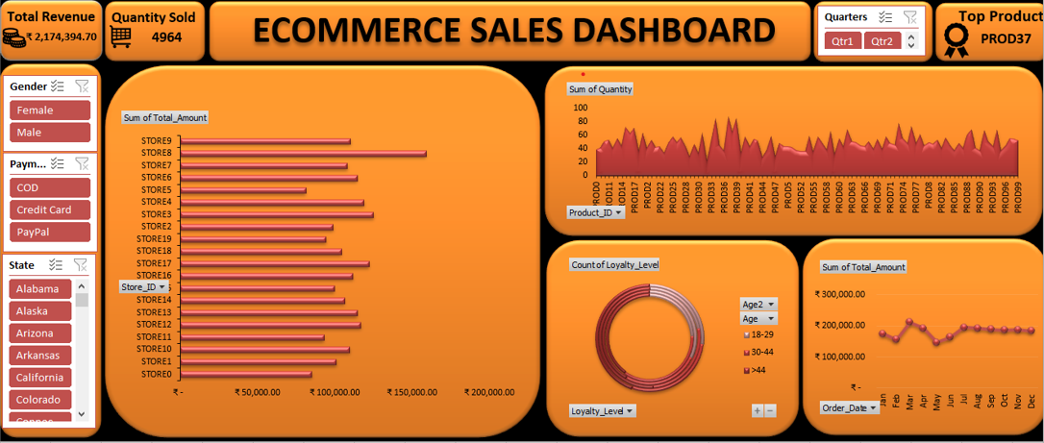

Report
ECOMMERCE SALES REPORT

Objective :

The objective of this project is to analyze e-commerce sales data to understand revenue trends, customer behavior, product performance, and store performance using Excel pivot tables and interactive dashboards.

Dataset Description :

The dataset contains four worksheets such as customer_dim, sales_dim, product_dim and sales fact. The worksheet contains transaction-level e-commerce sales data with the following fields : Sales ID, Order Date, Customer ID, Gender, Loyalty Level, Age, State, Product ID, Store ID, Quantity, Unit Price, Discount, Payment Type, and Total Amount.

Data Cleaning :

Data cleaning was performed in Excel to remove unwanted spaces, format dates, Convert discounts from numbers to percentages, Checked missing values and imputed with desired values and text, Converted columns to proper data types and ensure numerical consistency for accurate analysis.

Pivot Tables :

1. Total Quantity Sold
Rows : Product_ID
Values: Sum of Quantity
2. Sales by Store
Rows : Store_ID
Values: Sum of Quantity
3. Payment Method Distribution
Rows : Payment_Type
Values: Count of Payment_Type
4. Sales Trend Over Time
Rows : Month
Values: Sum of Total_Amount
5. Loyalty Level by Age Group
Rows : Age Group
Columns : Loyalty_Level
Values: Sum of Total_Count

Dashboard Design :

An interactive Excel dashboard was created using pivot charts, slicers, and KPI cards.
The dashboard includes:
Total Revenue
Total Quantity Sold
Monthly Sales Trend
Sales by Product
Sales by Store
Loyalty level by age group
Slicers were added for:
Quarters
Gender
Payment Type
State

Insights :

1. Most products sell between 40 to 60 units. This means the product portfolio is well balanced. No single product is dominating too much. PROD37 is the highly demanded product which has total 87 products sold.

2. Most stores generate between ₹100,000 – ₹120,000. This indicates Stable sales across locations. No heavy dependency on a single store. A well-balanced retail network.

3. Customers are using all three payment types almost equally, showing high flexibility in payment preference. Digital payments (PayPal + Credit Card) account for 67% of all orders, the business should prioritize fast and secure online payments offer wallet-based cashback or card discounts maintain COD but slowly encourage digital payments

4. Sales rise from Feb → Mar, dip in May, and then remain strong from July to December, indicating, business recovers quickly after slow months. End of year is a high-revenue period

5. Customers aged above 44 years form the strongest loyalty base, with the highest number of Platinum and Gold members, indicating high retention and long-term engagement.

Conclusion :

This analysis helped identify top-performing products, best stores, and customer purchasing patterns. The Excel dashboard allows management to make data-driven decisions to improve sales and marketing strategies.

Tools Used :

→Microsoft Excel
→Pivot Tables
→Pivot Charts
→Slicers
→Excel Dashboard

